Bug-report
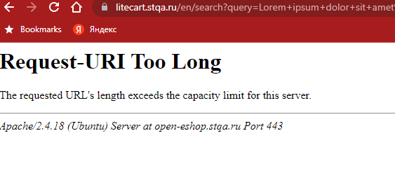
ID | Summary | Steps to reproduce | Actual result | Expected result | Priority | Severity | Attachments
1 | Search. In the search box is done without entering a query | 1. Open https://litecart.stqa.ru/ 2. Click on the search box 3. Press Enter on the keyboard | 1.Opens the "All products" page with all products https://litecart.stqa.ru/en/search?query= | 1.The search will fail | Low | Major
2 | Search. There is no limit on the number of characters you can enter in the search box | 1. Open https://03www.ru/generator/gen-03.htm 2. In the "select number of..." combobox, select - characters 3. Enter the value 10000 in the textbox to the right 4. Click on Generate 5. Click on Select Text 6. Copy the text 7. Open https://litecart.stqa.ru/en/ 8. Click on the search box 9. Paste text into a search box 10. Press Enter on the keyboard | 1.Error 414 Request URI Too Large | 1.The search will fail 2. A tooltip appears, indicating that the character limit has been exceeded | Low | Minor
3 | No minimum password length limit on the Create Account page, in the Desired Password and Confirm Password fields | 1. Open https://litecart.stqa.ru/en/ 2. Click on New customers click here 3. Enter the correct values in the required fields except Desired Password * and Confirm Password * 4. Enter any one character in the Desired Password field 5. Enter any one character in the Confirm Password field 6. Press button Create Account | 1. No tooltip indicating minimum password length 2. The account is created | 1. A tooltip indicating the minimum password length appears 2. The account wasn't created | High | Minor
4 | Phone number are entered in an invalid format in the Phone field on the Create Account page | 1. Open https://litecart.stqa.ru/en/ 2. Click on New customers click here 3. Enter -123456 7890 in the Phone field | 1. An invalid phone number tooltip will only appear if special symbols and/or letters are entered | 1. Phone numbers not in valid input format should not be allowed 2. Tooltip about an incorrect telephone number | Medium | Minor
5 | Registration on the Create Account page in the Email field, with incorrectly entered data | 1. Open https://litecart.stqa.ru/en/ 2. Click on New customers click here 3. Enter valid values in all required fields except Email 4. In the Email field, enter the email without the domain part, e.g. test@1 5. Press button Create Account | 1. The account is created | 1. The account wasn't created 2. Tooltip about invalidly entered email address | High | Major
6 | Invalid telephone number format in Customer Service | 1. Open https://litecart.stqa.ru/en/ 2. Scroll to the footer of the website 3. Click on Customer Service 4. Pay attention to the format of the telephone number https://litecart.stqa.ru/en/customer-service-s-0 | 1. Invalid telephone number format +1-212-555-DUCK | 1. Correct telephone number format without letters | Low | Trivial
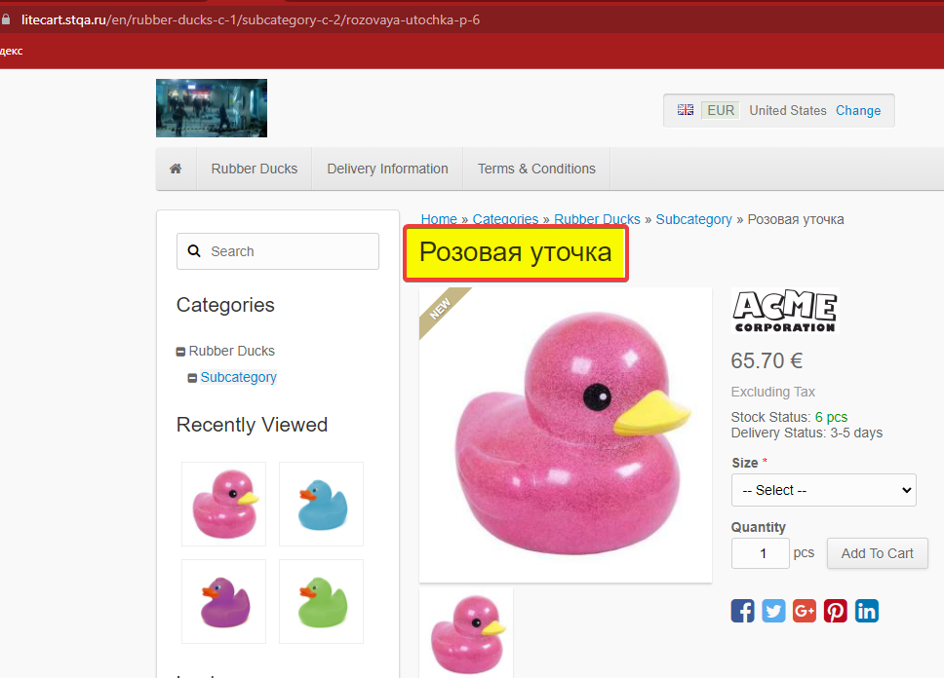
7 | The product name in the Rubber Ducks box doesn't translate into the selected website language | 1. Open https://litecart.stqa.ru/en/ 2. Click the Change link in the header 3. In the Language field select English 4. Press the Save button 5. Press the Rubber Ducks button 6. Pay attention to the product Розовая уточка | 1. The name of one of the products doesn't appear in the English language selected in the settings | 1. The names of all products are displayed in the English language selected in the settings | Low | Trivial
8 | Product price is 0 in the catalogue | 1. Open https://litecart.stqa.ru/en/ 2. Click on Rubber Ducks box 3. Pay attention to the product Purple Duck https://litecart.stqa.ru/en/rubber-ducks-c-1/purple-duck-p-5 | 1. Price of the Purple Duck is 0 | 1.Correct price for Purple Duck | Medium | Trivial
9 | More product Green DucK than available can be added to the cart | 1. Open https://litecart.stqa.ru/en/ 2. Click on Rubber Ducks box 3.Click on the Green DucK product card 4.Enter a value in the Quantity field that exceeds the quantity of the product indicated in the product card 5. Press button Add to Cart | 1. More items are added to the cart than are in stock | 1. No more items will be added to the basket than are in stock | High | Major
10 | The sold product Red Duck is added to the cart | 1. Open https://litecart.stqa.ru/en/ 2. Click on Rubber Ducks box 3.Click on the Red Duck product card 4. Press button Add to Cart | 1. The sold product is added to the cart | 1. Sold product will not be added to the cart | High | Major | 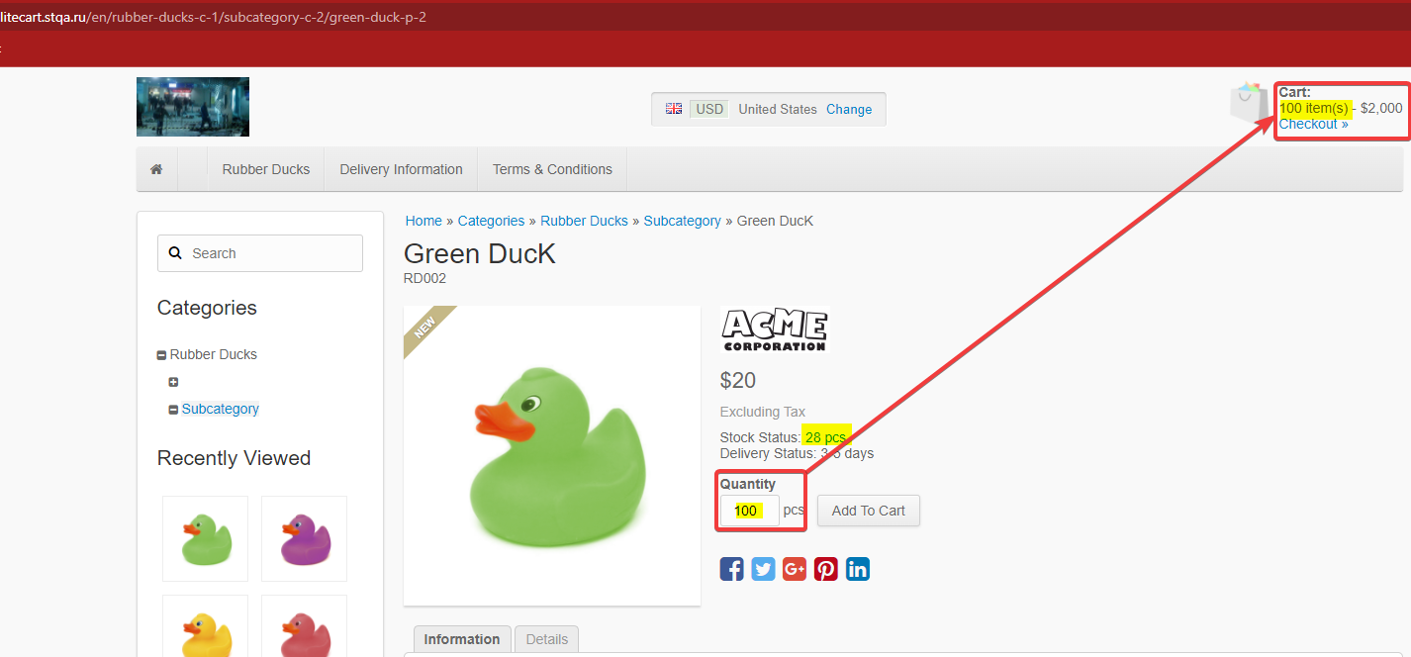
11 | Ordering without payment | Precondition: add product to cart 1. Open https://litecart.stqa.ru/en/ 2. Open the cart, click on the Checkout link 3. Enter the valid data in all the required fields. 4.Click on Save Changes button 5. Click the Confirm Order button | 1.The order is placed without a choice of payment | 1. The payment form is displayed | High | Critical
12 | Ability to enter digits in text fields in the Customer Details form | Precondition: add product to cart 1. Open https://litecart.stqa.ru/en/ 2. Open the cart, click on the Checkout link 3. In the Customer Details form, enter any numbers in the First Name, Last Name, City, Address 1 fields 4. Enter the other required fields with the correct data 5. Press button Save Changes | 1. Numbers are entered in the text boxes 2. Changes are saved | 1. Numbers aren't entered in the text boxes 2. Tooltips on incorrect data entry will be displayed 3. Changes aren't saved | Medium | Minor
13 | Phone number are entered in an invalid format in the Phone field on the Customer Details form | Precondition: add product to cart 1. Open https://litecart.stqa.ru/en/ 2. Open the cart, click on the Checkout link 3. In the Customer Details form enter any one number in the Phone field 4. Enter the other required fields with the correct data 5. Press button Save Changes | 1. No phone number verification for validity 2. Changes are saved | 1. Tooltips on incorrect phone number entry will be displayed 2. Changes aren't saved | Medium | Minor
14 | Invalid email can be entered on the Customer Details form | Precondition: add product to cart 1. Open https://litecart.stqa.ru/en/ 2. Open the cart, click on the Checkout link 3. In the Customer Details form enter valid values in all required fields except Email 4. In the Email field, enter the email without the domain part, e.g. test@1 5. Press button Save Changes | 1. No email verification for validity 2. Changes are saved | 1. Tooltip about invalidly entered email address 2. Changes aren't saved | Medium | Minor
15 | Untitled or displayed incorrectly subcategory on the Rubber Ducks page | 1. Open https://litecart.stqa.ru/en/ 2. Click on Rubber Ducks box 3. Pay attention to the untitled subcategory | 1. Subcategory title not displayed or not displayed correctly | 1. TBD | Low | Trivial | 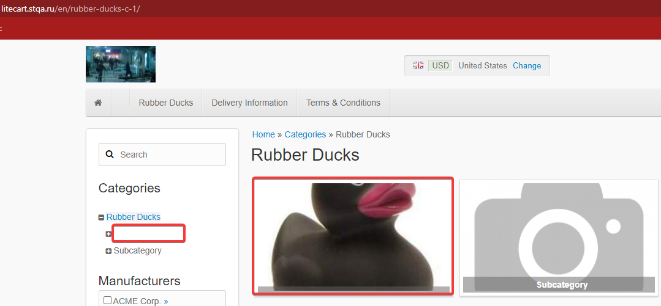
16 | No information in the Delivery Information box | 1. Open https://litecart.stqa.ru/en/ 2. Click on Delivery Information box 3. Pay attention to the text in the header and subheaders | 1. No information in the header and sub headers, fishy language instead of text | 1. TBD | Low | Trivial

